Info
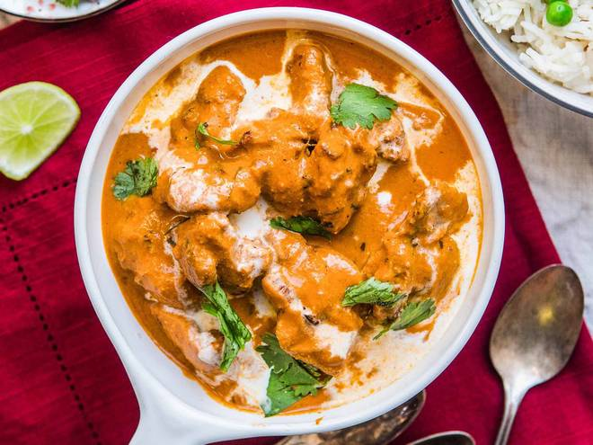
🍊 Restaurant Information

Name | Tapi Food Corner
Area | sama savli
Rating | 4.3
Total Ratings | 13 ratings
Cuisines | Indian, Chinese
Cost for Two | ₹300 for two
Delivery Time | 40 mins
Swiggy URL | https://www.swiggy.com/city/vadodara/tapi-food-corner-road-sama-savli-rest937365
Scraped On | 18 Mar 2026, 10:50 am

── Menu Stats ──
Total Items | 6
Veg Items | 0
Non-Veg Items | 0
Bestsellers | 0
Items with Photo | 6
Categories | Meal

