Info
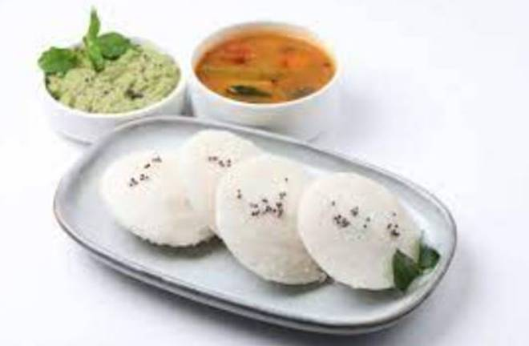
🍊 Restaurant Information

Name | Taste Haven
Area | Mandvi
Rating | --
Total Ratings | Too Few Ratings
Cuisines | Street Food
Cost for Two | ₹150 for two
Delivery Time | 46 mins
Swiggy URL | https://www.swiggy.com/city/vadodara/taste-haven-mandvi-rest1067645
Scraped On | 18 Mar 2026, 10:55 am

── Menu Stats ──
Total Items | 2
Veg Items | 0
Non-Veg Items | 0
Bestsellers | 0
Items with Photo | 2
Categories | Breakfast

