Info
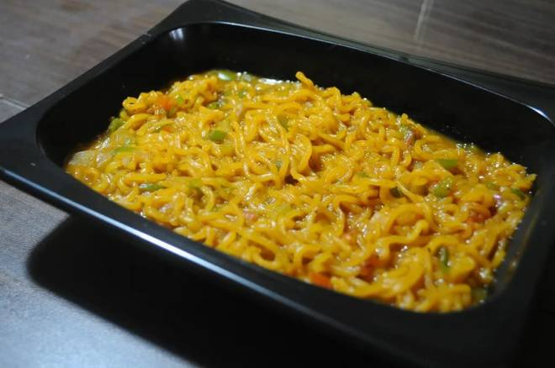
🍊 Restaurant Information

Name | Taste Of Nagpur
Area | Jetalpur Road
Rating | 4.2
Total Ratings | 7 ratings
Cuisines | Snacks, Fast Food
Cost for Two | ₹149 for two
Delivery Time | 23 mins
Swiggy URL | https://www.swiggy.com/city/vadodara/taste-of-nagpur-near-emerald-building-jetalpur-road-rest682773
Scraped On | 18 Mar 2026, 10:51 am

── Menu Stats ──
Total Items | 28
Veg Items | 0
Non-Veg Items | 0
Bestsellers | 0
Items with Photo | 12
Categories | Recommended, Snacks, Maggie, Sandwich, Chat

