Info
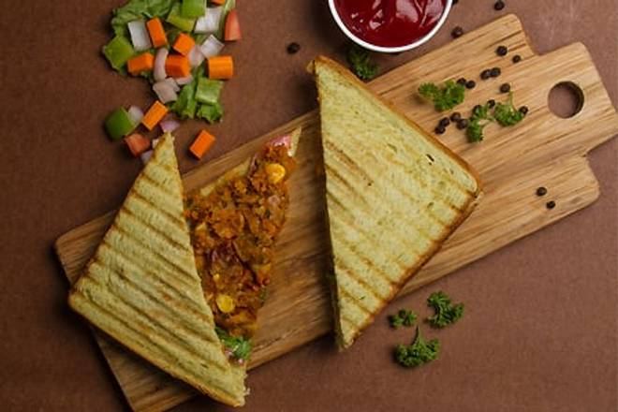
🍊 Restaurant Information

Name | Tea3
Area | Waghodia Road
Rating | --
Total Ratings | Too Few Ratings
Cuisines | Fast Food, Chaat
Cost for Two | ₹200 for two
Delivery Time | 39 mins
Swiggy URL | https://www.swiggy.com/city/vadodara/tea3-mandvi-waghodia-road-rest480519
Scraped On | 18 Mar 2026, 10:46 am

── Menu Stats ──
Total Items | 35
Veg Items | 0
Non-Veg Items | 0
Bestsellers | 0
Items with Photo | 3
Categories | Sandwich, Pal Banaye Maggie- Cal, Ek sip sfurti jagaye, તિક્કી પે tik ki, French fries & good vibes, Quick Bites

