Info
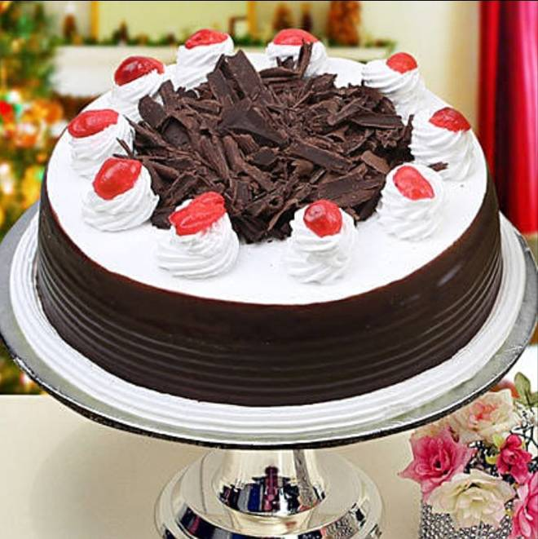
🍊 Restaurant Information

Name | The Bakers King Live Cake
Area | Mandvi
Rating | 4.7
Total Ratings | 4 ratings
Cuisines | Bakery
Cost for Two | ₹100 for two
Delivery Time | 39 mins
Swiggy URL | https://www.swiggy.com/city/vadodara/the-bakers-king-live-cake-pratapnagar-mandvi-rest534398
Scraped On | 18 Mar 2026, 10:50 am

── Menu Stats ──
Total Items | 43
Veg Items | 0
Non-Veg Items | 0
Bestsellers | 0
Items with Photo | 3
Categories | Cakes

