Info
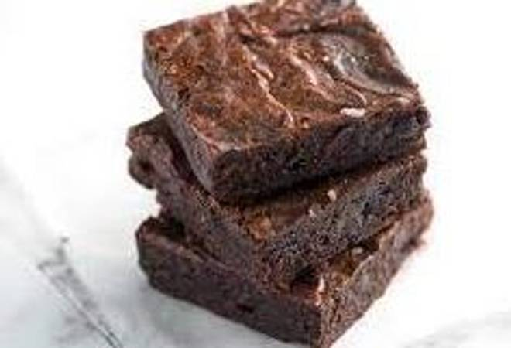
🍊 Restaurant Information

Name | The Delish Treat
Area | Mandvi
Rating | --
Total Ratings | Too Few Ratings
Cuisines | Bakery
Cost for Two | ₹298 for two
Delivery Time | 46 mins
Swiggy URL | https://www.swiggy.com/city/vadodara/the-delish-treat-narasaraopeta-mandal-mandvi-rest798973
Scraped On | 18 Mar 2026, 10:55 am

── Menu Stats ──
Total Items | 4
Veg Items | 0
Non-Veg Items | 0
Bestsellers | 0
Items with Photo | 4
Categories | Recommended

