Info
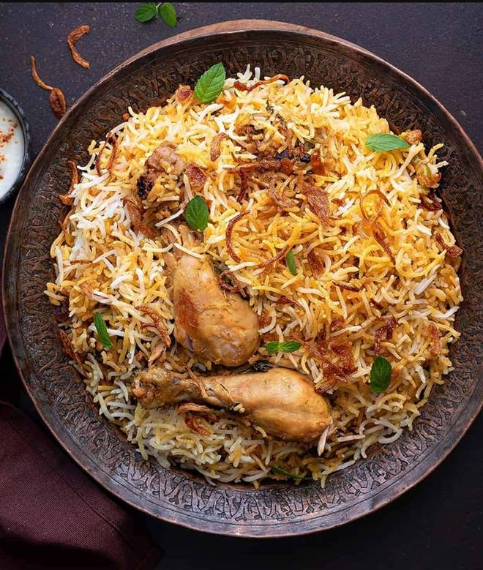
🍊 Restaurant Information

Name | The Sando Treat
Area | Fatehgunj
Rating | --
Total Ratings | Too Few Ratings
Cuisines | Fast Food
Cost for Two | ₹200 for two
Delivery Time | 31 mins
Swiggy URL | https://www.swiggy.com/city/vadodara/the-sando-treat-fatehgunj-rest1115429
Scraped On | 18 Mar 2026, 10:51 am

── Menu Stats ──
Total Items | 39
Veg Items | 0
Non-Veg Items | 0
Bestsellers | 0
Items with Photo | 35
Categories | Frankie Rolls, Sandwiches - Brown Bread Grilled (3layer), Sandwiches - Grilled (2 Layer), Sub Sandwiches, Burgers, Sandwiches - Non Grilled (2 Layer), Garlic Breads, Pizza 8" Inch, Sandwiches - Kids Special (3layer), Fries

