Info
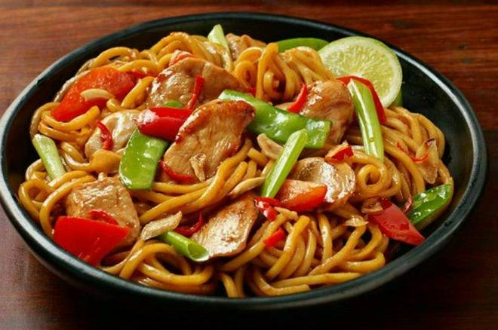
🍊 Restaurant Information

Name | Uncle Chinese & Momos
Area | Wadi
Rating | 3.1
Total Ratings | <3 ratings
Cuisines | Chinese, Fast Food
Cost for Two | ₹800 for two
Delivery Time | 41 mins
Swiggy URL | https://www.swiggy.com/city/vadodara/uncle-chinese-and-momos-saptgiri-society-wadi-rest763216
Scraped On | 18 Mar 2026, 10:49 am

── Menu Stats ──
Total Items | 57
Veg Items | 0
Non-Veg Items | 0
Bestsellers | 0
Items with Photo | 7
Categories | Recommended, Frankie, Fried Rice, Starter, Noodles, Pizza, Soup, French Fries

