Info
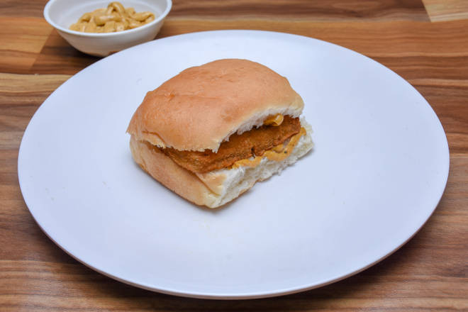
🍊 Restaurant Information

Name | Vipul Tasty Vadapav
Area | Mandvi
Rating | 4.1
Total Ratings | 8 ratings
Cuisines | Snacks
Cost for Two | ₹199 for two
Delivery Time | 41 mins
Swiggy URL | https://www.swiggy.com/city/vadodara/vipul-tasty-vadapav-waghodiya-road-mandvi-rest709405
Scraped On | 18 Mar 2026, 10:54 am

── Menu Stats ──
Total Items | 6
Veg Items | 0
Non-Veg Items | 0
Bestsellers | 0
Items with Photo | 3
Categories | Recommended

