Info
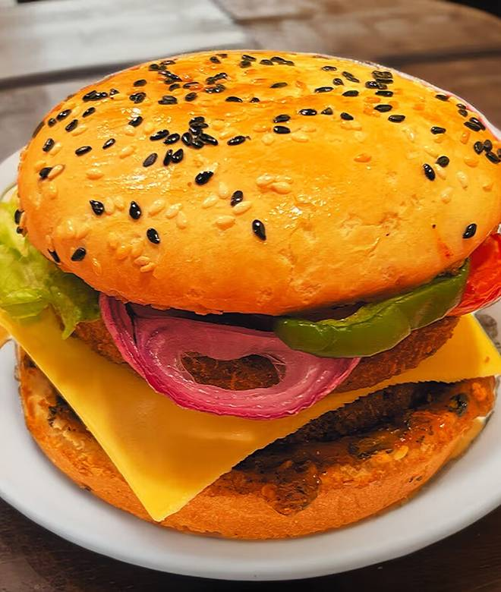
🍊 Restaurant Information

Name | Wtf - What The Food
Area | Alkapuri
Rating | 4.4
Total Ratings | 4 ratings
Cuisines | Burgers, wrap
Cost for Two | ₹450 for two
Delivery Time | 26 mins
Swiggy URL | https://www.swiggy.com/city/vadodara/wtf-what-the-food-alkapuri-rest1007531
Scraped On | 18 Mar 2026, 10:53 am

── Menu Stats ──
Total Items | 36
Veg Items | 0
Non-Veg Items | 0
Bestsellers | 0
Items with Photo | 31
Categories | Premium Burgers, Value Burgers, Mocktails, Fries, Coffee & Shakes, Grilled Sandwiches, Wraps, Pizza

