Info
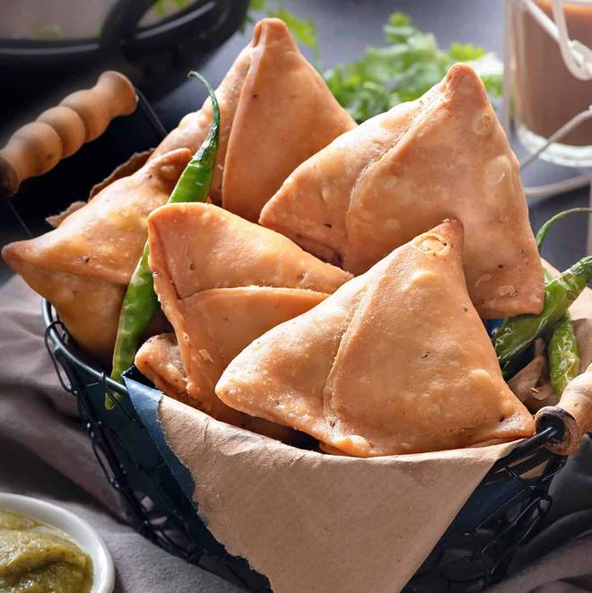
🍊 Restaurant Information

Name | Yummy Crisps
Area | Manjalpur
Rating | --
Total Ratings | Too Few Ratings
Cuisines | Indian, Snacks
Cost for Two | ₹300 for two
Delivery Time | 26 mins
Swiggy URL | https://www.swiggy.com/city/vadodara/yummy-crisps-bariyawad-suthar-faliyu-manjalpur-rest777451
Scraped On | 18 Mar 2026, 10:54 am

── Menu Stats ──
Total Items | 0
Veg Items | 0
Non-Veg Items | 0
Bestsellers | 0
Items with Photo | 0
Categories

