Info
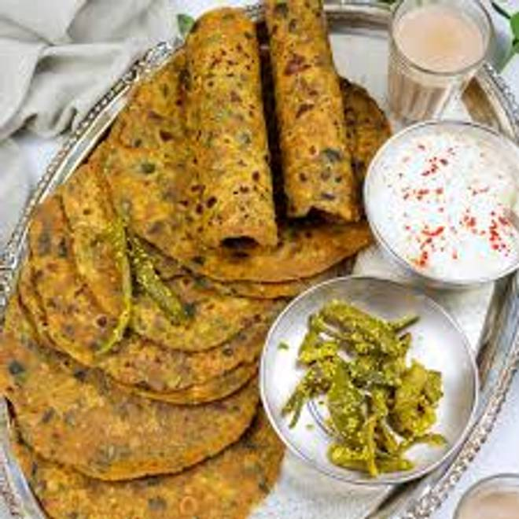
🍊 Restaurant Information

Name | AD cloud kitchen
Area | Mandvi
Rating | NEW
Total Ratings
Cuisines | Chaat, Mughlai
Cost for Two | ₹100 for two
Delivery Time | 46 mins
Swiggy URL | https://www.swiggy.com/city/vadodara/ad-cloud-kitchen-mandvi-rest1271851
Scraped On | 18 Mar 2026, 10:56 am

── Menu Stats ──
Total Items | 28
Veg Items | 0
Non-Veg Items | 0
Bestsellers | 0
Items with Photo | 18
Categories | Paratha

