Info
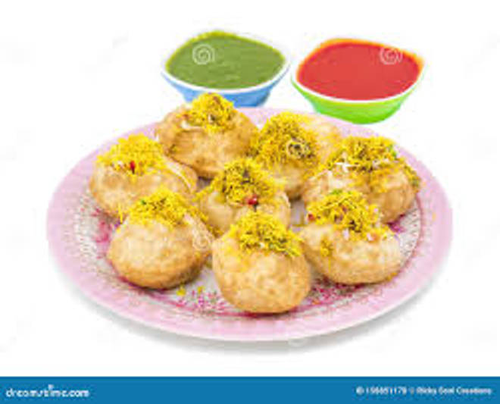
🍊 Restaurant Information

Name | Aiyub Omlet Center
Area | Mandvi
Rating | --
Total Ratings | Too Few Ratings
Cuisines | Street Food
Cost for Two | ₹500 for two
Delivery Time | 48 mins
Swiggy URL | https://www.swiggy.com/city/vadodara/aiyub-omlet-center-mandvi-rest1020687
Scraped On | 18 Mar 2026, 11:02 am

── Menu Stats ──
Total Items | 21
Veg Items | 0
Non-Veg Items | 0
Bestsellers | 0
Items with Photo | 4
Categories | Recommended, Snacks, Rice, Main Course, Starter, Omelette

