Info
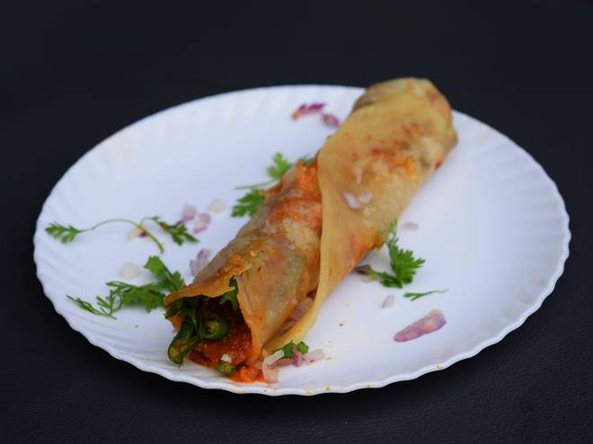
🍊 Restaurant Information

Name | Alps Food & Dragon Chinese
Area | Waghodia
Rating | 3.9
Total Ratings | 29 ratings
Cuisines | Chinese
Cost for Two | ₹200 for two
Delivery Time | 44 mins
Swiggy URL | https://www.swiggy.com/city/vadodara/alps-food-and-dragon-chinese-waghodia-rest416170
Scraped On | 18 Mar 2026, 11:06 am

── Menu Stats ──
Total Items | 110
Veg Items | 0
Non-Veg Items | 0
Bestsellers | 0
Items with Photo | 25
Categories | Recommended, Pizza, Premium Grill Sandwiches, Combo Offer, Noodles Chataka, Open Toasty Toast, Burger, Appetizer, Sandwiches, Garlic Bread, French Fries, Rice Dice, Noodles Doodle, Soupy Soup, Gravies, Chopsuey

