Info
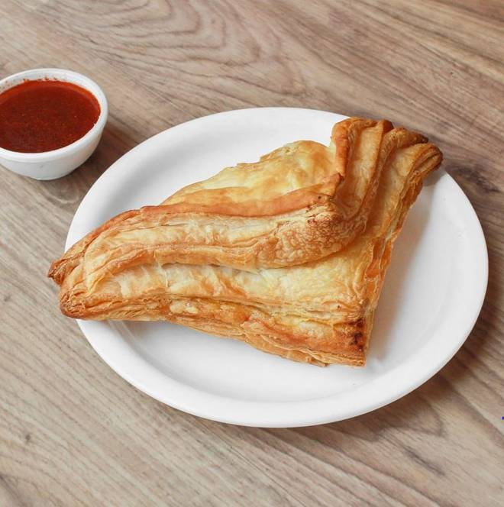
🍊 Restaurant Information

Name | Ambica Farali Center
Area | Mandvi
Rating | 4.1
Total Ratings | 16 ratings
Cuisines | Street Food
Cost for Two | ₹250 for two
Delivery Time | 49 mins
Swiggy URL | https://www.swiggy.com/city/vadodara/ambica-farali-center-mandvi-rest1165438
Scraped On | 18 Mar 2026, 10:57 am

── Menu Stats ──
Total Items | 109
Veg Items | 0
Non-Veg Items | 0
Bestsellers | 0
Items with Photo | 50
Categories | Farali Paratha Special, Farali Special, Monthly Special Combos, Farali Combo Dhamaka, Navratri Special Farali Thali, Sravan Special Farali Thali, Monthly Special Thali

