Info
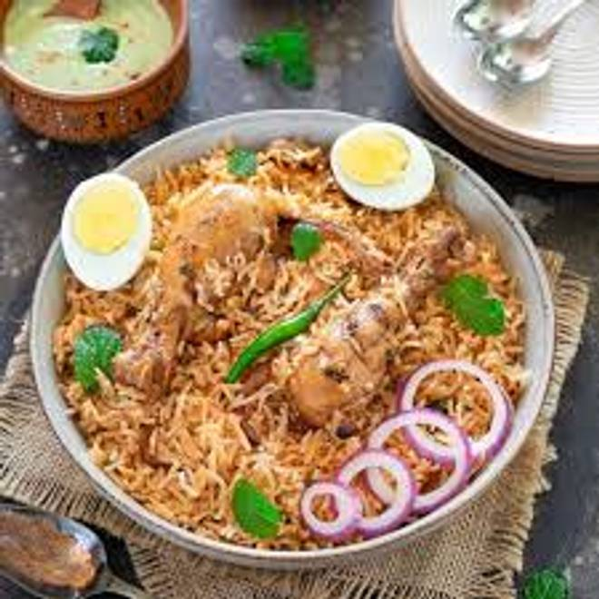
🍊 Restaurant Information

Name | Arabian Chiken Bites
Area | Mandvi
Rating | --
Total Ratings | Too Few Ratings
Cuisines | Mughlai
Cost for Two | ₹500 for two
Delivery Time | 48 mins
Swiggy URL | https://www.swiggy.com/city/vadodara/arabian-chiken-bites-mandvi-rest1138250
Scraped On | 18 Mar 2026, 11:02 am

── Menu Stats ──
Total Items | 11
Veg Items | 0
Non-Veg Items | 0
Bestsellers | 0
Items with Photo | 0
Categories | Chikan, Starters

