Info
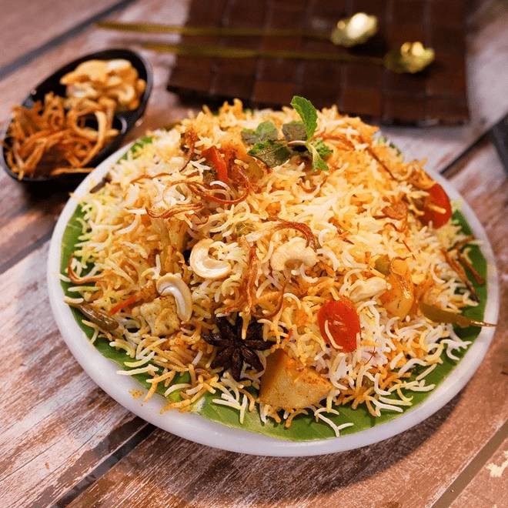
🍊 Restaurant Information

Name | Aurum Coffee Bar
Area | Akota
Rating | NEW
Total Ratings
Cuisines | Bakery, Juices
Cost for Two | ₹600 for two
Delivery Time | 27 mins
Swiggy URL | https://www.swiggy.com/city/vadodara/aurum-coffee-bar-akota-rest1272384
Scraped On | 18 Mar 2026, 10:56 am

── Menu Stats ──
Total Items | 138
Veg Items | 0
Non-Veg Items | 0
Bestsellers | 0
Items with Photo | 101
Categories | COCO, ADD ON, YOLK THEORY, AURUM`S SPECIAL, DESSERTS, BRUNCH SPECIAL, ITALIAN COMFORTS, HOT BEVERAGE, BREAKFAST, COLD BEVERAGE

