Info
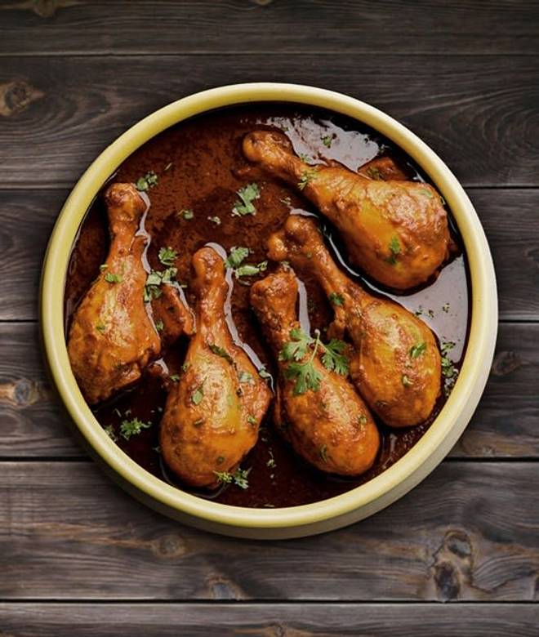
🍊 Restaurant Information

Name | BFE Rolls
Area | Waghodia
Rating | 4.3
Total Ratings | 160 ratings
Cuisines | North Indian, Kebabs
Cost for Two | ₹200 for two
Delivery Time | 46 mins
Swiggy URL | https://www.swiggy.com/city/vadodara/bfe-rolls-waghodia-rest390559
Scraped On | 18 Mar 2026, 11:04 am

── Menu Stats ──
Total Items | 104
Veg Items | 0
Non-Veg Items | 0
Bestsellers | 0
Items with Photo | 24
Categories | Recommended, Main Course Non Veg, Main Course Veg, Non Veg Starters, Rice & Biryani, Breads/roti, Oriental Chinese, Veg Starter, Soup, Iftaar Treat, Chinese Rice Veg, Egg Fried Rice

