Info
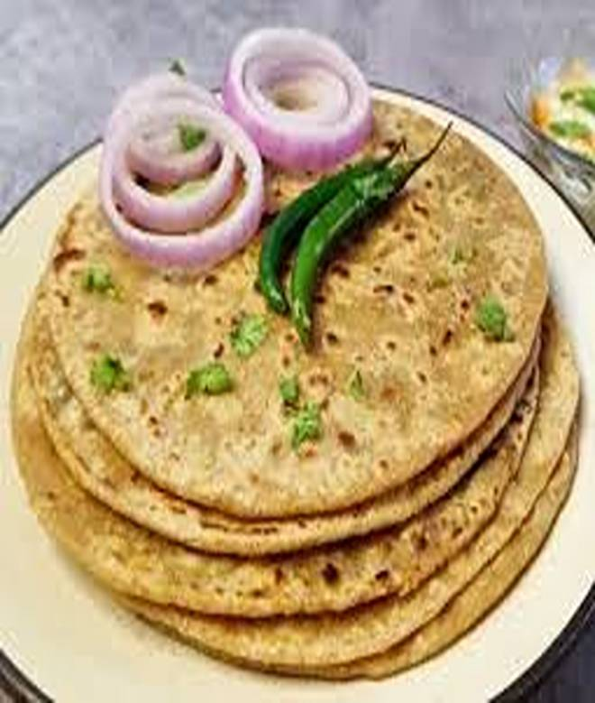
🍊 Restaurant Information

Name | Badnam Paratha
Area | Mandvi
Rating | --
Total Ratings | Too Few Ratings
Cuisines | North Indian
Cost for Two | ₹300 for two
Delivery Time | 44 mins
Swiggy URL | https://www.swiggy.com/city/vadodara/badnam-paratha-mandvi-rest1173553
Scraped On | 18 Mar 2026, 11:00 am

── Menu Stats ──
Total Items | 58
Veg Items | 0
Non-Veg Items | 0
Bestsellers | 0
Items with Photo | 41
Categories | Bati Chokha, Paratha, Main Course

