Info
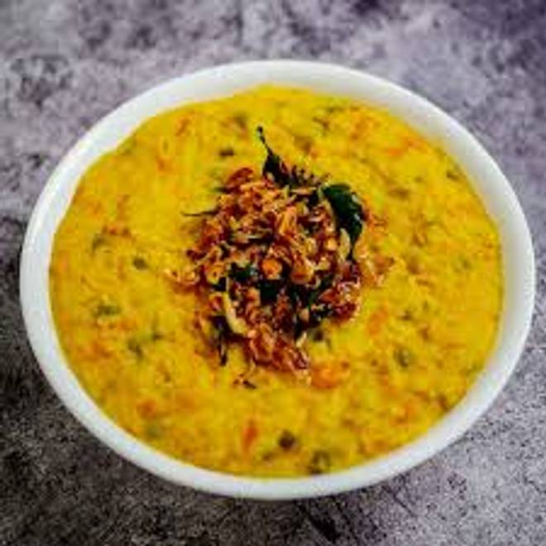
🍊 Restaurant Information

Name | Badshah Omelette
Area | Mandvi
Rating | --
Total Ratings | Too Few Ratings
Cuisines | Street Food
Cost for Two | ₹500 for two
Delivery Time | 49 mins
Swiggy URL | https://www.swiggy.com/city/vadodara/badshah-omelette-mandvi-rest1020680
Scraped On | 18 Mar 2026, 11:03 am

── Menu Stats ──
Total Items | 17
Veg Items | 0
Non-Veg Items | 0
Bestsellers | 0
Items with Photo | 2
Categories | Recommended, Rice, Snacks, Main Course

