Info
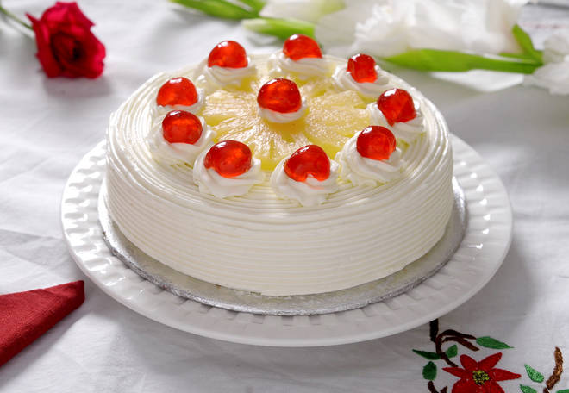
🍊 Restaurant Information

Name | Bakes and Cakes
Area | Karelibaug
Rating | 5
Total Ratings | 6 ratings
Cuisines | Bakery
Cost for Two | ₹300 for two
Delivery Time | 39 mins
Swiggy URL | https://www.swiggy.com/city/vadodara/bakes-and-cakes-karelibaug-rest217610
Scraped On | 18 Mar 2026, 11:03 am

── Menu Stats ──
Total Items | 49
Veg Items | 0
Non-Veg Items | 0
Bestsellers | 0
Items with Photo | 0
Categories | Christmas & NYE Specials, Cakes

