Info
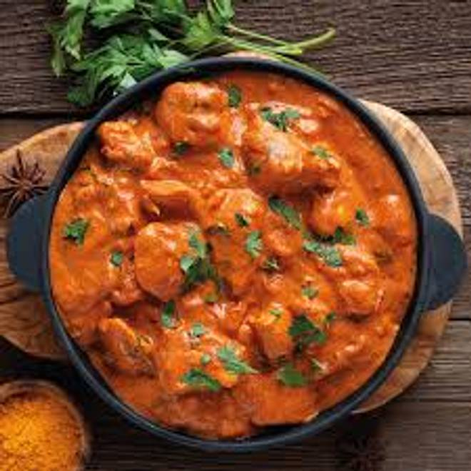
🍊 Restaurant Information

Name | Bapu Chiken Center
Area | Mandvi
Rating | 5
Total Ratings | 4 ratings
Cuisines | Biryani, Mughlai
Cost for Two | ₹500 for two
Delivery Time | 47 mins
Swiggy URL | https://www.swiggy.com/city/vadodara/bapu-chiken-center-sayaji-nagar-mandvi-rest1125985
Scraped On | 18 Mar 2026, 11:03 am

── Menu Stats ──
Total Items | 5
Veg Items | 0
Non-Veg Items | 0
Bestsellers | 0
Items with Photo | 0
Categories | Starters, Bread

