Info
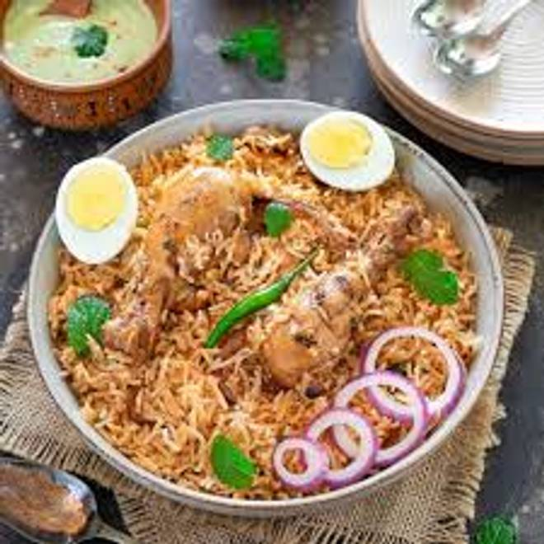
🍊 Restaurant Information

Name | Baroda Chiken Centre
Area | Mandvi
Rating | 3.7
Total Ratings | 7 ratings
Cuisines | Biryani, Mughlai
Cost for Two | ₹500 for two
Delivery Time | 58 mins
Swiggy URL | https://www.swiggy.com/city/vadodara/baroda-chiken-centre-mandvi-rest1138245
Scraped On | 18 Mar 2026, 10:59 am

── Menu Stats ──
Total Items | 8
Veg Items | 0
Non-Veg Items | 0
Bestsellers | 0
Items with Photo | 2
Categories | Main Course

