Info
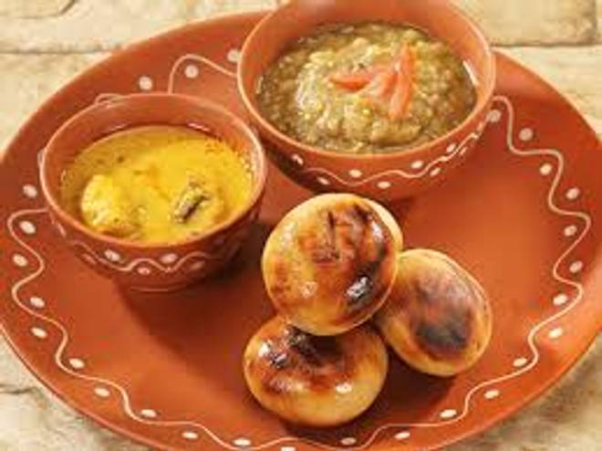
🍊 Restaurant Information

Name | Batichokha.online
Area | Mandvi
Rating | --
Total Ratings | Too Few Ratings
Cuisines | North Indian
Cost for Two | ₹250 for two
Delivery Time | 57 mins
Swiggy URL | https://www.swiggy.com/city/vadodara/batichokha-online-mandvi-rest1170659
Scraped On | 18 Mar 2026, 11:01 am

── Menu Stats ──
Total Items | 76
Veg Items | 0
Non-Veg Items | 0
Bestsellers | 0
Items with Photo | 36
Categories | Combos, Main Course, Paratha, Snacks, Breakfast, Soups

