Info
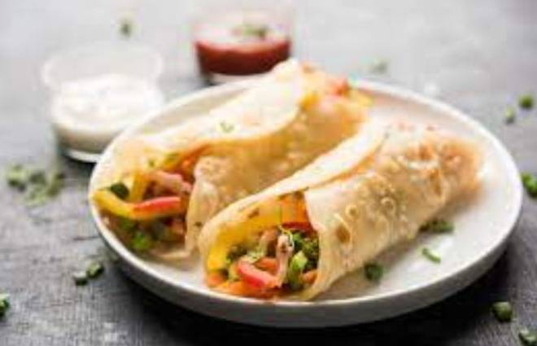
🍊 Restaurant Information

Name | Bhailu Chinese Food Kamla
Area | Mandvi
Rating | --
Total Ratings | Too Few Ratings
Cuisines | Chinese
Cost for Two | ₹200 for two
Delivery Time | 48 mins
Swiggy URL | https://www.swiggy.com/city/vadodara/bhailu-chinese-food-kamla-mandvi-rest1033136
Scraped On | 18 Mar 2026, 11:02 am

── Menu Stats ──
Total Items | 1
Veg Items | 0
Non-Veg Items | 0
Bestsellers | 0
Items with Photo | 1
Categories | Burger

