Info
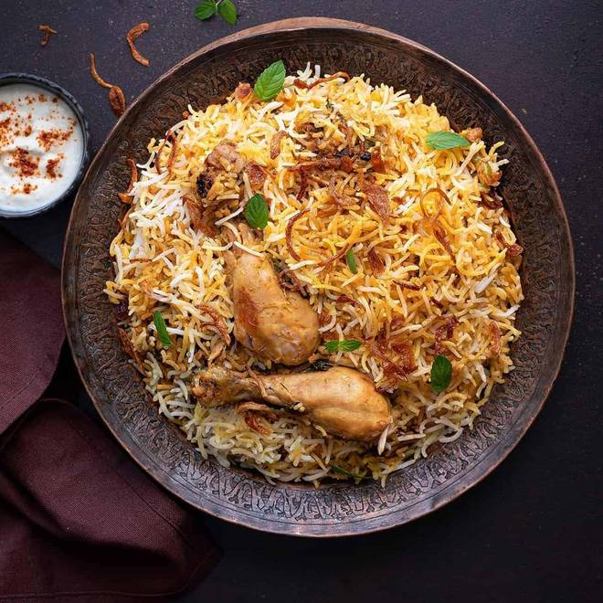
🍊 Restaurant Information

Name | Bhau Ka Chiken
Area | Mandvi
Rating | --
Total Ratings | Too Few Ratings
Cuisines | Biryani
Cost for Two | ₹500 for two
Delivery Time | 47 mins
Swiggy URL | https://www.swiggy.com/city/vadodara/bhau-ka-chiken-mandvi-rest1137170
Scraped On | 18 Mar 2026, 11:03 am

── Menu Stats ──
Total Items | 8
Veg Items | 0
Non-Veg Items | 0
Bestsellers | 0
Items with Photo | 0
Categories | Biryani, Non Veg Main Course, Breads, Starters

