Info
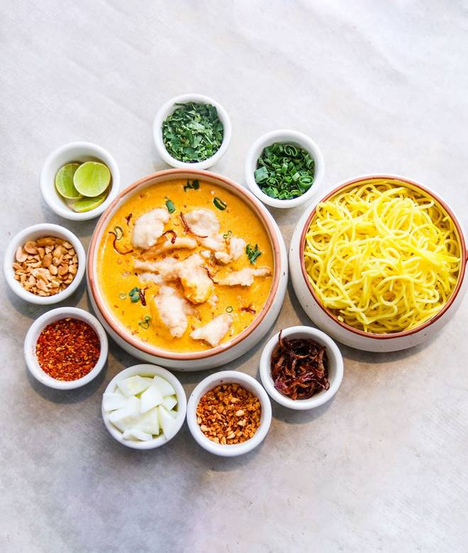
🍊 Restaurant Information

Name | Big Wong Chinese
Area | Karelibaug
Rating | 3.7
Total Ratings | 21 ratings
Cuisines | Chinese
Cost for Two | ₹300 for two
Delivery Time | 39 mins
Swiggy URL | https://www.swiggy.com/city/vadodara/big-wong-chinese-karelibaug-rest455761
Scraped On | 18 Mar 2026, 11:04 am

── Menu Stats ──
Total Items | 48
Veg Items | 0
Non-Veg Items | 0
Bestsellers | 0
Items with Photo | 5
Categories | Combos, Chinese, Fried Rice, Noodles, Soups

