Info
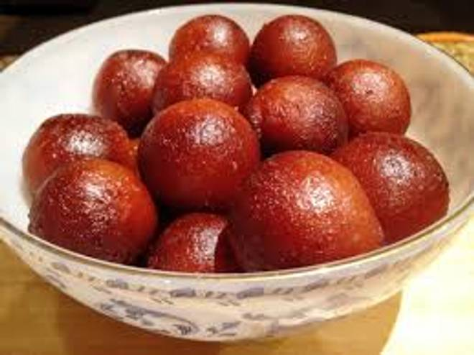
🍊 Restaurant Information

Name | Bikaner Sweets And Farsan
Area | Soma Talav
Rating | 4
Total Ratings | 4 ratings
Cuisines | Rajasthani, Ice Cream
Cost for Two | ₹1000 for two
Delivery Time | 45 mins
Swiggy URL | https://www.swiggy.com/city/vadodara/bikaner-sweets-and-farsan-umanagar-soma-talav-rest1304286
Scraped On | 18 Mar 2026, 10:59 am

── Menu Stats ──
Total Items | 18
Veg Items | 0
Non-Veg Items | 0
Bestsellers | 0
Items with Photo | 18
Categories | Sweets N Snacks, Snacks

