Info
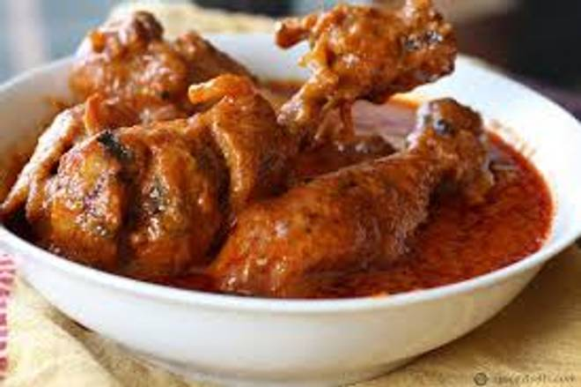
🍊 Restaurant Information

Name | Bombay Chiken Center
Area | Mandvi
Rating | --
Total Ratings | Too Few Ratings
Cuisines | Biryani, Mughlai
Cost for Two | ₹500 for two
Delivery Time | 47 mins
Swiggy URL | https://www.swiggy.com/city/vadodara/bombay-chiken-center-sayaji-nagar-mandvi-rest1125986
Scraped On | 18 Mar 2026, 11:03 am

── Menu Stats ──
Total Items | 7
Veg Items | 0
Non-Veg Items | 0
Bestsellers | 0
Items with Photo | 0
Categories | Non Veg Main Course, Roti, Non Veg Starters

