Info
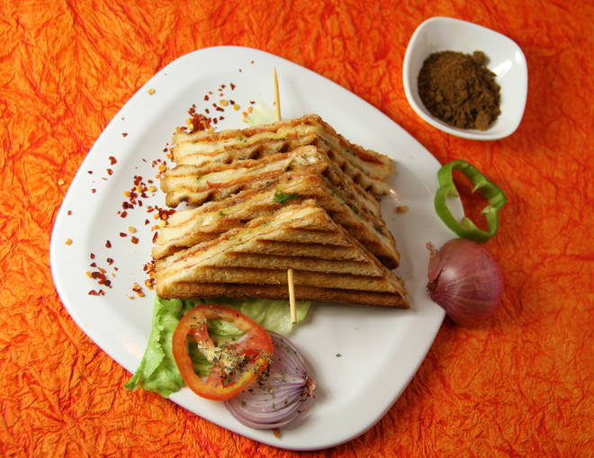
🍊 Restaurant Information

Name | Bombay Sandwich And Pizza
Area | Karelibaug
Rating | --
Total Ratings | Too Few Ratings
Cuisines | Continental, Fast Food
Cost for Two | ₹250 for two
Delivery Time | 39 mins
Swiggy URL | https://www.swiggy.com/city/vadodara/bombay-sandwich-and-pizza-karelibaug-rest397145
Scraped On | 18 Mar 2026, 11:03 am

── Menu Stats ──
Total Items | 32
Veg Items | 0
Non-Veg Items | 0
Bestsellers | 0
Items with Photo | 9
Categories | Sandwich

