Info
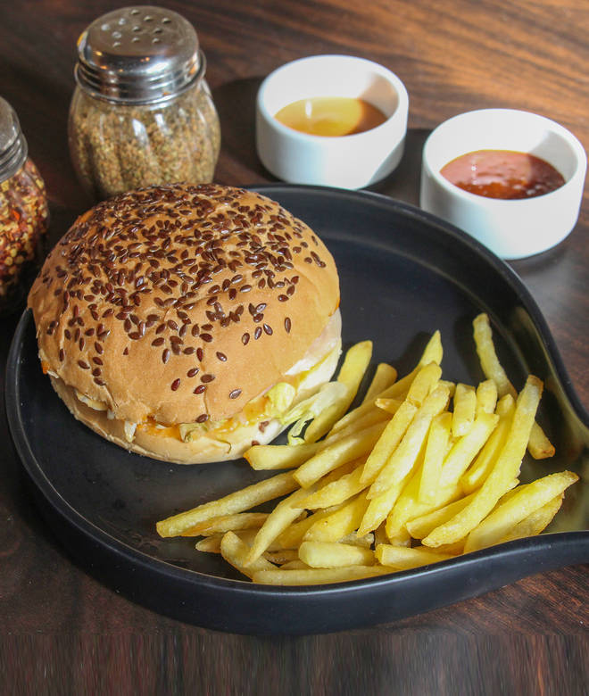
🍊 Restaurant Information

Name | Burger & Burger
Area | Waghodia
Rating | --
Total Ratings | Too Few Ratings
Cuisines | American, Snacks
Cost for Two | ₹300 for two
Delivery Time | 47 mins
Swiggy URL | https://www.swiggy.com/city/vadodara/burger-and-burger-road-waghodia-rest479148
Scraped On | 18 Mar 2026, 11:05 am

── Menu Stats ──
Total Items | 27
Veg Items | 0
Non-Veg Items | 0
Bestsellers | 0
Items with Photo | 10
Categories | Recommended, Burgers, Sandwiches, Shakes, Cravers, Hot Dog, Extras

