Info
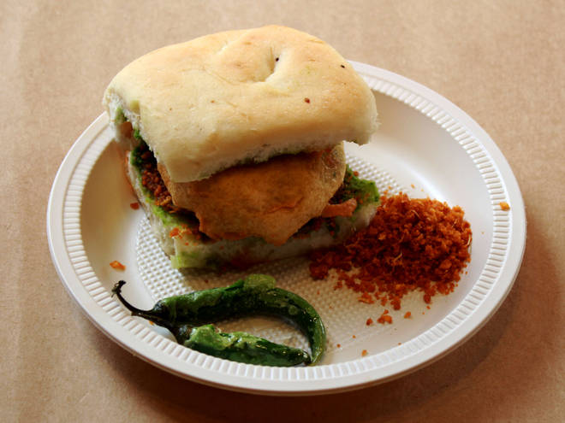
🍊 Restaurant Information

Name | Chalo Vadapav Khate Hai
Area | Kendranagar
Rating | --
Total Ratings | Too Few Ratings
Cuisines | Street Food, Snacks
Cost for Two | ₹150 for two
Delivery Time | 45 mins
Swiggy URL | https://www.swiggy.com/city/vadodara/chalo-vadapav-khate-hai-waghodia-road-kendranagar-rest636814
Scraped On | 18 Mar 2026, 10:56 am

── Menu Stats ──
Total Items | 24
Veg Items | 0
Non-Veg Items | 0
Bestsellers | 0
Items with Photo | 1
Categories | Vada Pav, Sandwich, French Fries, Mayo Pav, Cold Coffee

