Info
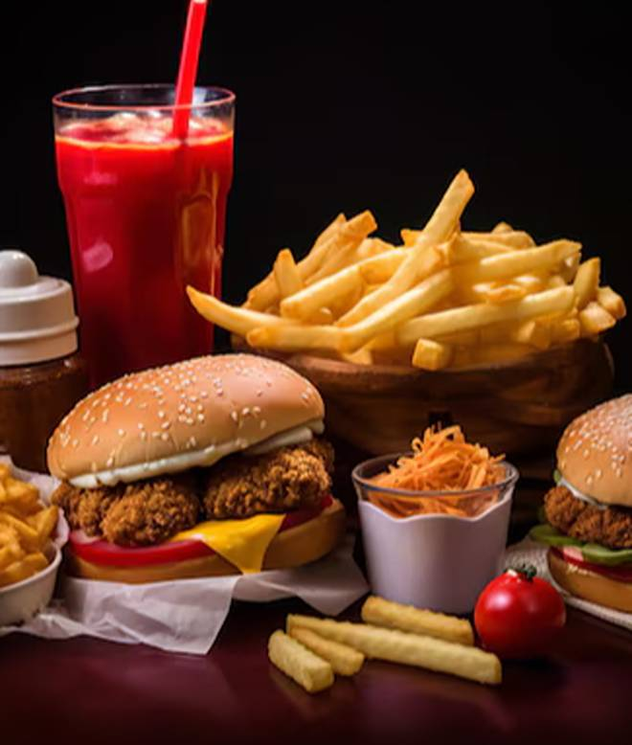
🍊 Restaurant Information

Name | DD4 Monkey House Cafe & Restaurant
Area | Fatehgunj
Rating | --
Total Ratings | Too Few Ratings
Cuisines | Chinese, Pizzas
Cost for Two | ₹200 for two
Delivery Time | 33 mins
Swiggy URL | https://www.swiggy.com/city/vadodara/dd4-monkey-house-cafe-and-restaurant-fatehgunj-rest1074457
Scraped On | 18 Mar 2026, 10:55 am

── Menu Stats ──
Total Items | 56
Veg Items | 0
Non-Veg Items | 0
Bestsellers | 0
Items with Photo | 37
Categories | Non Grill Sandwich, Combo Offers, Maggi, Grill Sandwich, Pizza, Cafe Tea, Cold Coffee, Milkshake, French Fries, Burger, Hot Coffee, Garlic Bread

