Info
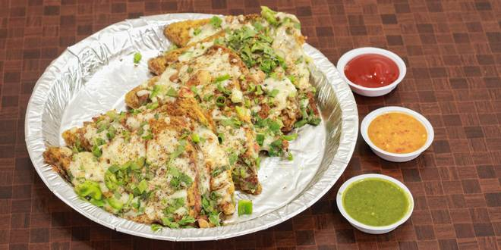
🍊 Restaurant Information

Name | D'Talli
Area | Subhanpura
Rating | 4.8
Total Ratings | 15 ratings
Cuisines | Indian
Cost for Two | ₹350 for two
Delivery Time | 64 mins
Swiggy URL | https://www.swiggy.com/city/vadodara/dtalli-akota-subhanpura-rest363643
Scraped On | 18 Mar 2026, 11:06 am

── Menu Stats ──
Total Items | 0
Veg Items | 0
Non-Veg Items | 0
Bestsellers | 0
Items with Photo | 0
Categories

