Info
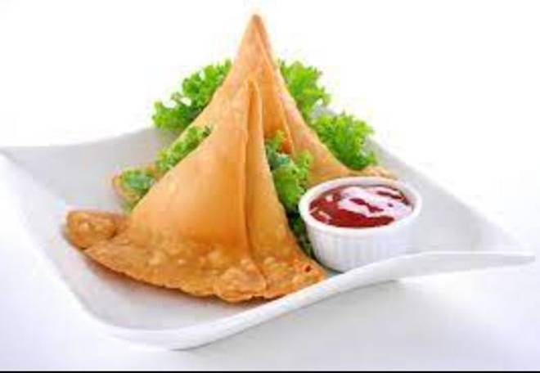
🍊 Restaurant Information

Name | Dil Bahar Panipuri
Area | Mandvi
Rating | --
Total Ratings | Too Few Ratings
Cuisines | Fast Food
Cost for Two | ₹250 for two
Delivery Time | 43 mins
Swiggy URL | https://www.swiggy.com/city/vadodara/dil-bahar-panipuri-mandvi-rest1024427
Scraped On | 18 Mar 2026, 10:57 am

── Menu Stats ──
Total Items | 4
Veg Items | 0
Non-Veg Items | 0
Bestsellers | 0
Items with Photo | 3
Categories | Milk Shake

