Info
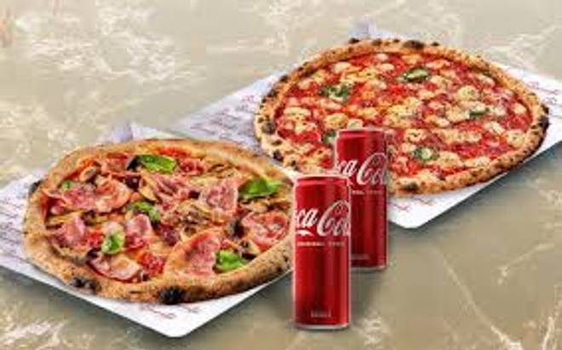
🍊 Restaurant Information

Name | Egg Pulao
Area | Mandvi
Rating | 3.3
Total Ratings | 6 ratings
Cuisines | Fast Food
Cost for Two | ₹199 for two
Delivery Time | 50 mins
Swiggy URL | https://www.swiggy.com/city/vadodara/egg-pulao-mandvi-rest1256261
Scraped On | 18 Mar 2026, 11:03 am

── Menu Stats ──
Total Items | 17
Veg Items | 0
Non-Veg Items | 0
Bestsellers | 0
Items with Photo | 15
Categories | Egg item, Egg pulao, Pasta and noodles, Roti

