Info
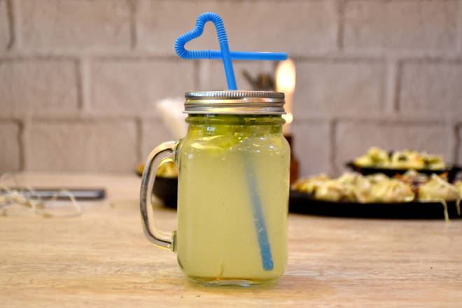
🍊 Restaurant Information

Name | Five Star Strong Soda
Area | Karelibaug
Rating | --
Total Ratings | Too Few Ratings
Cuisines | Beverages
Cost for Two | ₹200 for two
Delivery Time | 43 mins
Swiggy URL | https://www.swiggy.com/city/vadodara/five-star-strong-soda-karelibaug-rest540353
Scraped On | 18 Mar 2026, 11:04 am

── Menu Stats ──
Total Items | 16
Veg Items | 0
Non-Veg Items | 0
Bestsellers | 0
Items with Photo | 1
Categories | Beverages

