Info
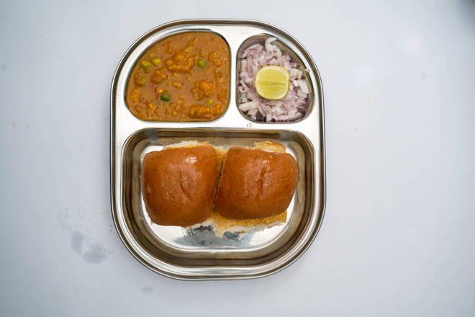
🍊 Restaurant Information

Name | Flavour Of Mumbai
Area | Akota
Rating | 3.6
Total Ratings | 3 ratings
Cuisines | Snacks, Fast Food
Cost for Two | ₹299 for two
Delivery Time | 29 mins
Swiggy URL | https://www.swiggy.com/city/vadodara/flavour-of-mumbai-vivanta-hotel-akota-rest820271
Scraped On | 18 Mar 2026, 10:56 am

── Menu Stats ──
Total Items | 0
Veg Items | 0
Non-Veg Items | 0
Bestsellers | 0
Items with Photo | 0
Categories

