Info
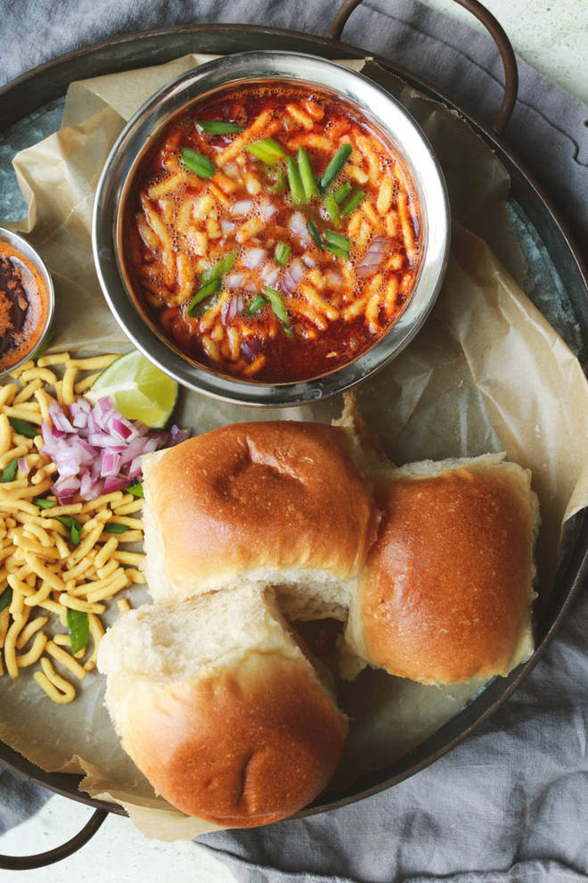
🍊 Restaurant Information

Name | Gujan Sev Usal House
Area | Mandvi
Rating | --
Total Ratings | Too Few Ratings
Cuisines | Snacks, Fast Food
Cost for Two | ₹300 for two
Delivery Time | 48 mins
Swiggy URL | https://www.swiggy.com/city/vadodara/gujan-sev-usal-house-mandvi-rest952276
Scraped On | 18 Mar 2026, 11:02 am

── Menu Stats ──
Total Items | 9
Veg Items | 0
Non-Veg Items | 0
Bestsellers | 0
Items with Photo | 0
Categories | Snacks, Maggie

