Info
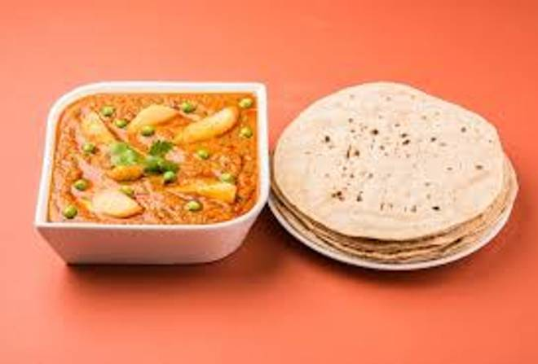
🍊 Restaurant Information

Name | Hir's Kitchen
Area | Fatehgunj
Rating | 4.2
Total Ratings | 20 ratings
Cuisines | South Indian
Cost for Two | ₹250 for two
Delivery Time | 49 mins
Swiggy URL | https://www.swiggy.com/city/vadodara/hirs-kitchen-fatehgunj-rest1124238
Scraped On | 18 Mar 2026, 10:58 am

── Menu Stats ──
Total Items | 31
Veg Items | 0
Non-Veg Items | 0
Bestsellers | 0
Items with Photo | 8
Categories | Menu, Combos

