Info
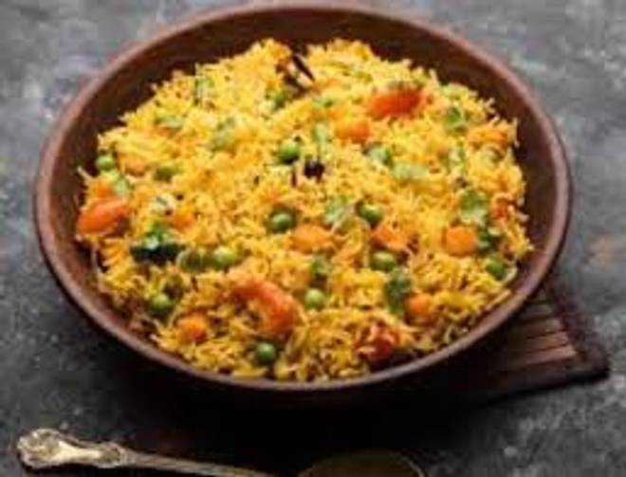
🍊 Restaurant Information

Name | Honest Pavbhaji And Pulav
Area | Mandvi
Rating | 3.9
Total Ratings | 4 ratings
Cuisines | Snacks
Cost for Two | ₹200 for two
Delivery Time | 50 mins
Swiggy URL | https://www.swiggy.com/city/vadodara/honest-pavbhaji-and-pulav-mandvi-rest1026471
Scraped On | 18 Mar 2026, 11:02 am

── Menu Stats ──
Total Items | 12
Veg Items | 0
Non-Veg Items | 0
Bestsellers | 0
Items with Photo | 0
Categories | Snacks, Rice

