Info
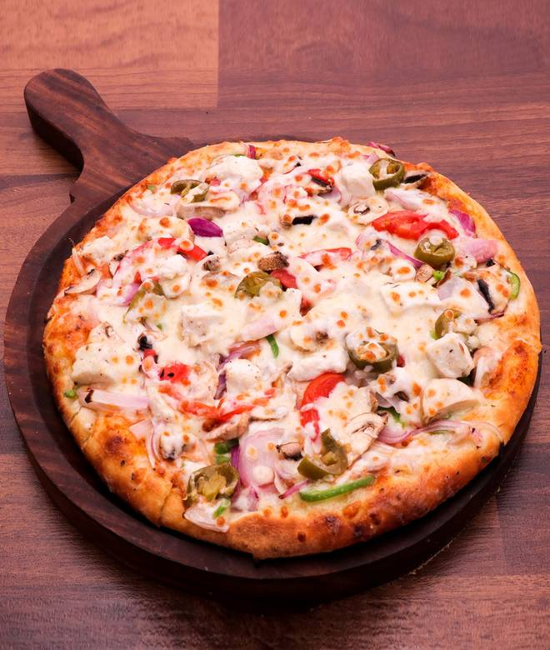
🍊 Restaurant Information

Name | Janta Pizzeria
Area | New Sama
Rating | --
Total Ratings | Too Few Ratings
Cuisines | Pizzas, Fast Food
Cost for Two | ₹400 for two
Delivery Time | 44 mins
Swiggy URL | https://www.swiggy.com/city/vadodara/janta-pizzeria-preet-avenue-new-sama-rest737250
Scraped On | 18 Mar 2026, 10:56 am

── Menu Stats ──
Total Items | 0
Veg Items | 0
Non-Veg Items | 0
Bestsellers | 0
Items with Photo | 0
Categories

