Info
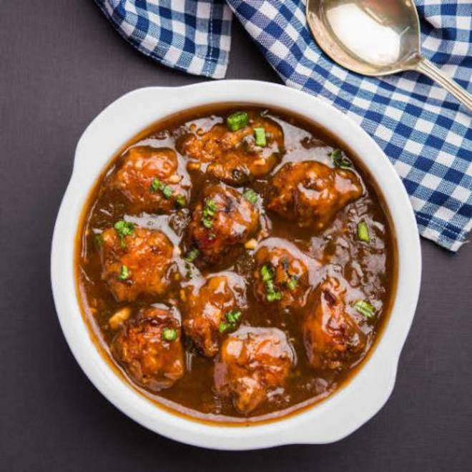
🍊 Restaurant Information

Name | Jay Dasha Maa Chinese
Area | Karelibaug
Rating | --
Total Ratings | Too Few Ratings
Cuisines | Chinese
Cost for Two | ₹200 for two
Delivery Time | 48 mins
Swiggy URL | https://www.swiggy.com/city/vadodara/jay-dasha-maa-chinese-karelibaug-rest532508
Scraped On | 18 Mar 2026, 11:05 am

── Menu Stats ──
Total Items | 31
Veg Items | 0
Non-Veg Items | 0
Bestsellers | 0
Items with Photo | 14
Categories | Chinese Rice, Chinese Noodles, Soup, Starters

