Info
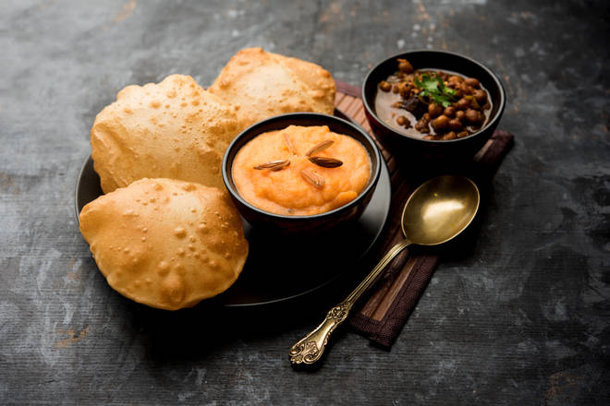
🍊 Restaurant Information

Name | Jay Jalaram Bhojnalay
Area | Waghodia
Rating | 2.8
Total Ratings | 27 ratings
Cuisines | Gujarati
Cost for Two | ₹200 for two
Delivery Time | 46 mins
Swiggy URL | https://www.swiggy.com/city/vadodara/jay-jalaram-bhojnalay-waghodia-rest194194
Scraped On | 18 Mar 2026, 11:06 am

── Menu Stats ──
Total Items | 9
Veg Items | 0
Non-Veg Items | 0
Bestsellers | 0
Items with Photo | 4
Categories | Recommended, Combos, Breads, Thali, Rice, South Indian, Accompaniments

