Info
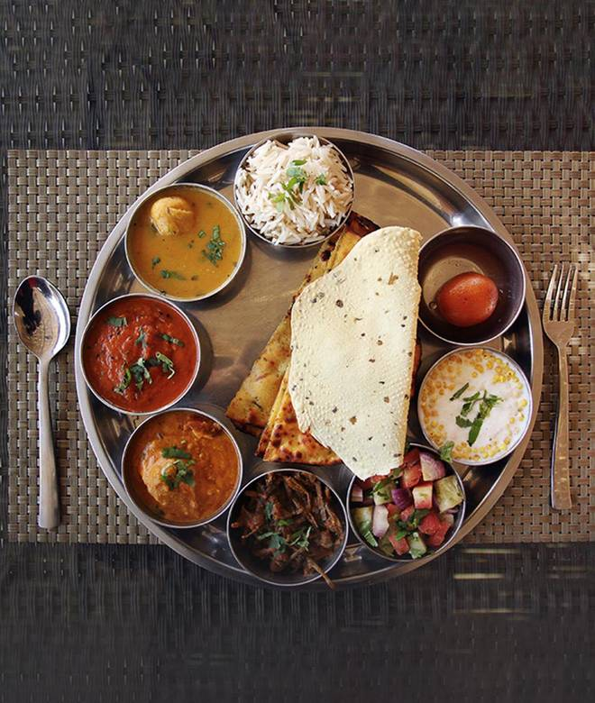
🍊 Restaurant Information

Name | Jay Jalaram Food Parcel Services
Area | Karelibaug
Rating | 4.7
Total Ratings | 3 ratings
Cuisines | Indian
Cost for Two | ₹200 for two
Delivery Time | 40 mins
Swiggy URL | https://www.swiggy.com/city/vadodara/jay-jalaram-food-parcel-services-karelibaug-rest392054
Scraped On | 18 Mar 2026, 11:05 am

── Menu Stats ──
Total Items | 0
Veg Items | 0
Non-Veg Items | 0
Bestsellers | 0
Items with Photo | 0
Categories

