Info
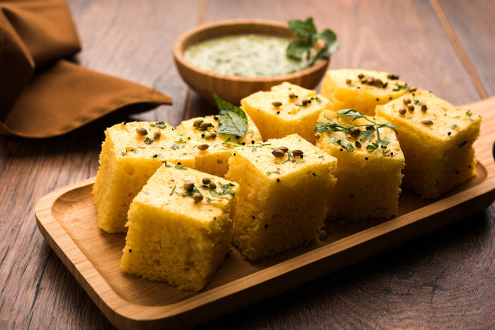
🍊 Restaurant Information

Name | Jay Jalaram Live Dhokla
Area | Mandvi
Rating | 4.3
Total Ratings | 311 ratings
Cuisines | Snacks
Cost for Two | ₹100 for two
Delivery Time | 52 mins
Swiggy URL | https://www.swiggy.com/city/vadodara/jay-jalaram-live-dhokla-vallarta-homes-mandvi-rest158466
Scraped On | 18 Mar 2026, 10:59 am

── Menu Stats ──
Total Items | 83
Veg Items | 0
Non-Veg Items | 0
Bestsellers | 0
Items with Photo | 4
Categories | Khaman, Dhokla, Papdi no lot, Batter, French fries, Coffee break, Tea time, Dabeli, Chutney, Milk & shakes, Vadapav, Upma, Paratha, Frankie, Maggi

