Info
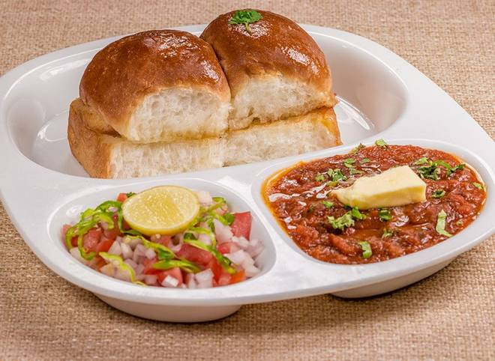
🍊 Restaurant Information

Name | Jay Jalaram Pavbhaji & Pulav
Area | Mandvi
Rating | 4.1
Total Ratings | 3 ratings
Cuisines | Snacks, Fast Food
Cost for Two | ₹300 for two
Delivery Time | 48 mins
Swiggy URL | https://www.swiggy.com/city/vadodara/jay-jalaram-pavbhaji-and-pulav-mandvi-rest952275
Scraped On | 18 Mar 2026, 11:02 am

── Menu Stats ──
Total Items | 8
Veg Items | 0
Non-Veg Items | 0
Bestsellers | 0
Items with Photo | 0
Categories | Pavbhaji And Pulav, Veg Pulao, Eggs

