Info
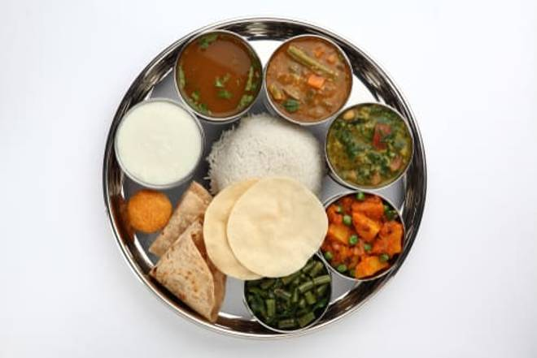
🍊 Restaurant Information

Name | Jay Jalaram Restaurant
Area | Mandvi
Rating | 3.9
Total Ratings | 153 ratings
Cuisines | Gujarati
Cost for Two | ₹250 for two
Delivery Time | 49 mins
Swiggy URL | https://www.swiggy.com/city/vadodara/jay-jalaram-restaurant-waghodia-mandvi-rest194209
Scraped On | 18 Mar 2026, 10:59 am

── Menu Stats ──
Total Items | 4
Veg Items | 0
Non-Veg Items | 0
Bestsellers | 0
Items with Photo | 2
Categories | Milk Shake

