Info
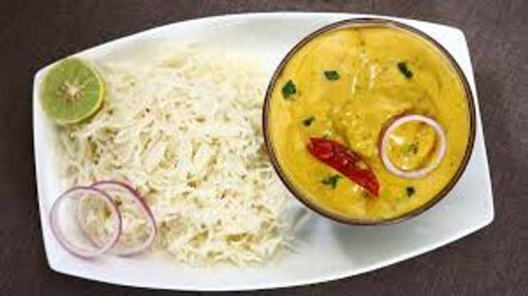
🍊 Restaurant Information

Name | Jay Mahakali Maa South Corner
Area | Akota
Rating | NEW
Total Ratings
Cuisines | Biryani, Punjabi
Cost for Two | ₹200 for two
Delivery Time | 34 mins
Swiggy URL | https://www.swiggy.com/city/vadodara/jay-mahakali-maa-south-corner-akota-rest1292743
Scraped On | 18 Mar 2026, 11:03 am

── Menu Stats ──
Total Items | 129
Veg Items | 0
Non-Veg Items | 0
Bestsellers | 0
Items with Photo | 0
Categories | Paneer, Dosa, Veg, Thali, Uttappam, Main Course, Sambar, Breads, Rice, Beverage, Salad, Vada

