Info
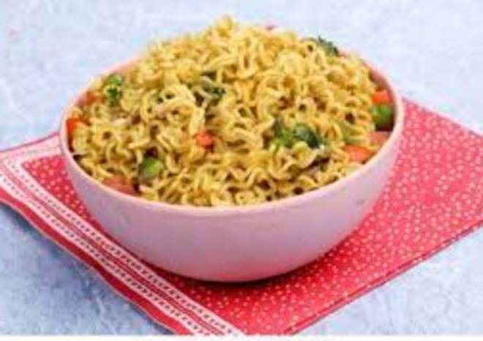
🍊 Restaurant Information

Name | Jay Mahakali Sev - Usal House
Area | Mandvi
Rating | --
Total Ratings | Too Few Ratings
Cuisines | Snacks, Fast Food
Cost for Two | ₹250 for two
Delivery Time | 48 mins
Swiggy URL | https://www.swiggy.com/city/vadodara/jay-mahakali-sev-usal-house-sayajipura-mandvi-rest952272
Scraped On | 18 Mar 2026, 11:02 am

── Menu Stats ──
Total Items | 8
Veg Items | 0
Non-Veg Items | 0
Bestsellers | 0
Items with Photo | 0
Categories | Sevusal, Maggi

